1. Title Page
Grocery Basket Analysis

Project Name: Instacart Grocery Basket Analysis
Date: May 3, 2021
Analyst Name: Carter Hofseth

Contents:
Population Flow
Consistency checks
Wrangling steps
Column derivations
Visualizations
Recommendations

2. Population Flow
Title page

Population flow

Exclusion flag
Condition: max_order < 5
Obervations to be removed:
Final total count of order_products_all:

Orders_products_combined
Orders_products_merged
Orders_products_customers_merge

Total: 32404859
Total: 32434489
Total: 32404859

1.) The grey boxes in the first row of the population flow represent the original data sets as they were when you downloaded them. In the Total fields you need to add the count of the rows when you imported the data set into Jupyter.
2.) The second row of boxes (coloured) represents the data sets after you manipulated them, e.g., removed missing values and duplicates. In the Total fields you need to add the count of the rows after conducting these operations. This offers a visual oveview of how the data flows throughout the data consistency checks.
3.) The third row, where also the arrows are coloured, represents the merges you performed between the datasets. In the Total fields you need to add the count of the rows in the merged datasets, so that you end up with the final dataset (in the red box). Keep in mind the final dataset should be without exclusions (based on the exclusion flag).

3. Consistency checks
 |  |  |  | Title page
Consistency checks

Dataset | Missing values | Missing values treatment | Duplicates
orders | 206209 (days_since_prior_order) | Aggregated values (7.0) | N/A
products | 16 (product_name) | Drop missing values | 5 Duplicates
orders_products_prior | N/A | N/A | N/A
customers | N/A | N/A | N/A

4. Wrangling steps
 |  |  |  | Title page
Wrangling steps

Columns dropped | Columns renamed | Columns' type changed | Comment/Reason
eval_set (orders) |  |  | Information was not pertinant to the project
 | order_dow (orders) |  | Changed to "order_day_of_the_week"
 |  | order_id (orders) | Changed to string
 |  | user_id (orders) | Changed to string
 |  | first_name (customers) | Changed to string
 | First Name |  | Changed to frist_name
 | Surnam |  | Changed to last_name
 | Gender |  | Changed to gender
 | STATE |  | Changed to state
 | Age |  | Changed to state
 | n_dependants |  | Changed to number_of_dependants

5. Column derivations
 |  |  |  | Title page

Column derivations and aggregations

Dataset | New column | Column/s it was derived from | Conditions
orders_products_custs_merge | price_range_loc | prices | prices > 15 = High Range, 5 < price >= 15 = Mid-range, price <= 5 = Low Range product
 | busiest_days | orders_days_of_the_week | dow = 0 or 1, it's busiest days. If dow = 3 or 4, it's slowest days. Every other day is regular
 | busiest_period_of_day | order_hour_of_day | If HOD is in between 8 and 19, most orders. If HOD is 0, 1, 6-8, and 18-23 it's average orders. If HOD is betwwen 2 and 5 it's Fewest orders
 | loyalty_flag | max_order | If max_roder > 40, it's a loyal customer. If the max_orders I between 10 and 40, it's a regular customer. If max_order <= 10, then it's a new customer.
 | spending_flag | avg_price | If their avg_price is greater than or less than 10, their a high spender. If their avg_price is less than 10 they're a low spender
 | frequency_flag | median_prior_order | If the mdian_prior_orders is more than 20, their a non-frequent customer. If their median_prior_order is in between 10 and 20, then they're a regular customer.
 |  |  | If the median_prior orders I less than or equal to 10, they're a frequent customer.
 | Region | state | Created witht eh 4 regions of the United States
 | age_profiles | age | Depending on age of customer put them into categories such as Young, Middle Aged, Older, Senior
 | income_flag | income | Depending on income, out customers into categories such as Low, Middle and High income
 | department_flag | department_id | Created 3 categories based on departments. Categories are Party Host, Baker, Family
 | family_flag | number of dependants | Created categories based on number of dependants. Categories are Single, Small Family, Big Family

In this tab you should add tables below that the frequences of flags/label variables that you produced after deriving them. NB: don't do this for continuous variables, only for flags.

6. Visualizations
Title page

Visualisations
Frequency
In this tab you should include all the visualtions from Exercises 4.9 and 4.10, alongside the questions from the project brief that they answer. Include any commentary on the relationship between different variables.

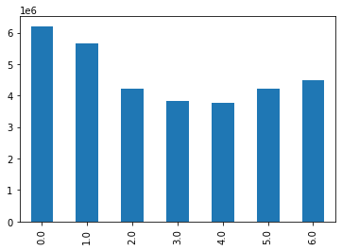
order_days_of_the_week
As you can see, a majority of the orders are on are on the weeked compared to the weekdays



Majority of products and items purchased are below $15

Prices

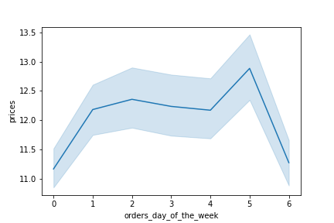

Although the line curve seems to be drastic, there is only a $2 difference in throughout the week. So overall, the prices throughout the week don't vary too much.

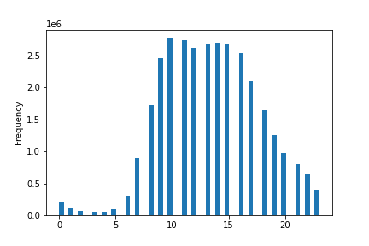

Majority of orders are plcaed late morning to the early evening.

orders_hour_of_day
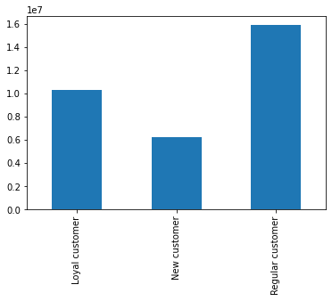
Majority of customers are either regular or loyal.

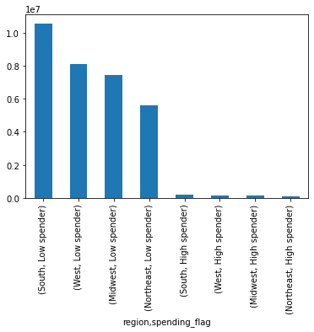
Shows the count of customers through the regions.

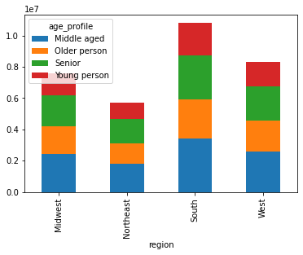
This shows the demographics of age through the region. As you can see, a majority of customers through the regions are middle aged.

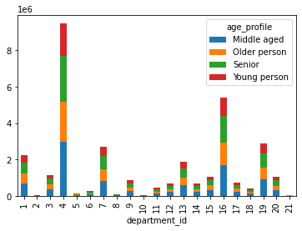

This shows the distribution of the age demographic for the departments that they order from.

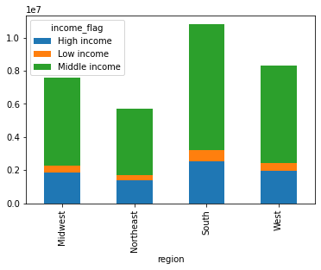
Just like the age demographic, this is shows the distribution of customers in the country based on income.

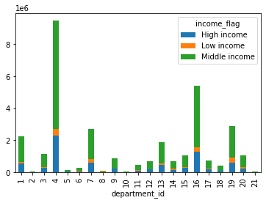
This shows the distribtuion of customers based on income through the departments.

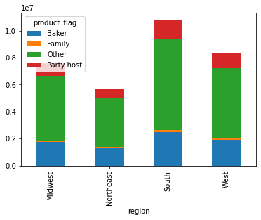

The product flag categorizes customers based on the departments they buy from. This shows their distribution through the regions.

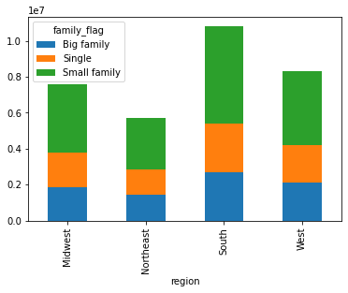
Shows the famlily demographic distribution through the regions.

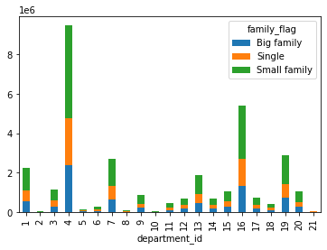
Shows the distibution of family demographic through the departments.

7. Recommendations
 |  |  | Title page

Recommendations

order_days_of_the_week
orders hour of day
In this tab you should include any recommendations you would made to Instcart in terms of their marketing strategy based on the questions posed in the brief. Every key question has been covered in the Tasks of the Exercises - here you need to add an item - a visualisation or table/crosstable that is showing the answer in the data, acompanied by a comment from you. Please, list the questions below and add the answer underneath.
Key Questions | Answer | Visualizations
The sales team needs to know what the busiest days of the week and hours in order to schedule ads when there are fewer orders. | We see the dead spots of the week are midweek, from Monday to Friday. And for the time of day the low spots are in the evening and early morning. So I would schedule ads during that time.
Are there particular times of the day when people spend the most money? | 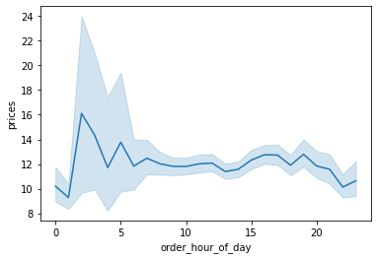 People spend the most money early in the morning.
Instacrt has a lot of products with different price tages. Marketing and sales want to use simpler price range groupings to help direct their efforts | We created three new price ranges. See visualization for count of these price rangers. *See columns derivations for criteria | Low-range product - 10126321 Mid range product - 652638 High range product - 417678
Are there certain types of products more popular than others? | There are more popular products. The top departments are product, dairy & eggs, snacks, and beverages. | 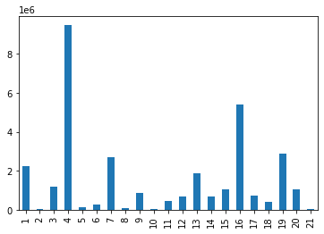 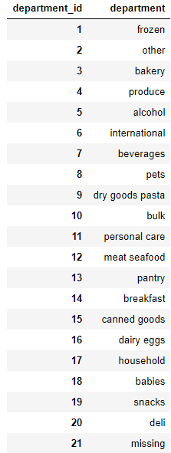
Whats the distribution among users in regards to their brand loyalty? Are there differences in spending habits based on a customers loyalty status? | Majority of the customers are regular customers. As you can see, Loyal customers tend to spend less than regular and customers. | 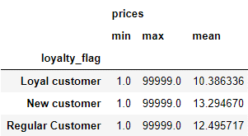
Are there differences in ordering habits based on a customer's region? | As you can see, majority of orders are in the south region of the US. And the least amount is in the Northeast
What differences can you find in ordering habits of different customer profiles?
Age | We can see from the charts that age does not make a difference in the order habits of customers. The each groups have the same average order number. As well, the distribution of the group is more or less the same when it comes to their purchasing different products. | 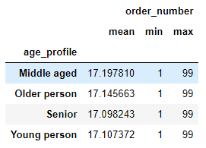
Income | We can see that the income levels are pretty well balanced. But if you notice on the bar chart. But we can see lower income customers do not order as much as those with a high and middle income. | 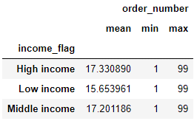
Certain Types of goods | When it comes to certain types of goods, We can see that families tend to order more than the other demographics. Maybe what you can do here is offer bulk bundles so to keep their loyalty. | 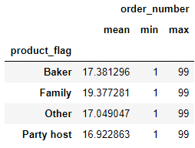
Family Status | When it comes to the size of a family, the distribution bewteen departments is the same. This tells us that this is no big difference in ordering habits based on the size of a family. As well, the amount of orders do not vary greatly. So there is difference in ordering habits on the different groups. | 